MCD
Master Copy Document Starter (MCD Starter)

PROJECT INFORMATION - ODIN

Project Name: |  | Smooth

Gate Document Number: |  |  |  |  |  |  |  |  |  | List of Odin Approvers |  |  |  |  |  |  |  |  | Step |  |  | Design Agency:
Marketing Contact: |  |  |  | Olivia Hibbert / Fanny Gresset |  |  |  |  |  | Marketing Manager |  |  |  |  | Fanny Gresset / |  |  |  | 1 |  |  | Schawk to receive Artwork by:
Date |  |  |  | 2015-09-17 |  |  |  |  |  | Legal Counsel (IP Law) |  |  |  |  | - |  |  |  |  |  |  | Approved files to Printer by:
Brand |  |  |  | Heinz |  |  |  |  |  | Nutrition Information |  |  |  |  | Minerve Wach (Minerve.Vicente@nl.hjheinz.com) |  |  |  | 1 |  |  | Press Pass Required: |  | (select one)
Sub Brand |  |  |  | [SERIOUSLY] GOOD Mayo |  |  |  |  |  | Supplier |  |  |  |  | Fuji Seal (paulo.canelas@fr.fujiseal.com) |  |  |  | 1 |  |  | Mock Up Required: |  | (select one)
Category |  |  |  | (select one) |  |  |  |  |  | Packaging Development |  |  |  |  | Tessa Eising |  |  |  | 1 |  |  | Number of mock-ups required of each:
Spend authority Number: |  |  |  |  |  |  |  |  |  | Food Law |  |  |  |  | Jeroen Manders (regulatoryaffairseurope@kraftheinzcompany.com) |  |  |  | 2 |  |  | 3D render required: |  | (select one)
Reason of Change: |  |  |  | Recipe and design change |  |  |  |  |  | Printed Packaging / Print Change |  |  |  |  | Meike de Waal (Printed.PackagingHIC@nl.hjheinz.com) |  |  |  | 1 + 2
 |  |  |  |  |  |  |  |  |  | Site Technical |  |  |  |  | Marcel Peters |  |  |  | 1
 |  |  |  |  |  |  |  |  |  | Always Required |  |  |  |  | Jeroen Manders + Meike de Waal

Brief
Colours sleeve P2755 C / P 2193 C / vinicap gold / P 2319 C / white / white Used attached files from design agency JKR, although these are for the light variant as I dont have the STD variant. Can you therefore check if the colours mentioned above are correct? Please scale this up to the correct cuttersize mentioned below.

PRINTED PACKAGING / PRINT CHANGE / SITE TECHNICAL

SKU Details
Previous Artwork | New / Amend | Variety |  |  | Pack Size / Weight | Packaging Type | Format | Factory Site | Co-Pack Site |  | Old Pack Number |  | New Pack Number | Product EPN |  | New Bar Code yes/no | New Bar Code Number | QR Code |  | Variety Code | Cutter Reference | Proofing Requirement | Printer | Print Process | LAM Positions
n/a | New | Mayonnaise - Sleeve |  |  | 530ml | glass jar | 530ml | Elst | n/a |  | n/a |  | 35336155 | 76006406 |  | yes | 8715700422091 | n/a |  | n/a | 294.00*102.00 | No Proof Required | Fuji Seal | Gravure? Please double check this | n/a
 | (Select one) |  |  |  |  | (Select one) |  | Elst |  |  |  |  |  |  |  | (Select one) |  |  |  |  |  | (Select one) |  | (Select one)

MARKETING & CONSUMER SERVICES

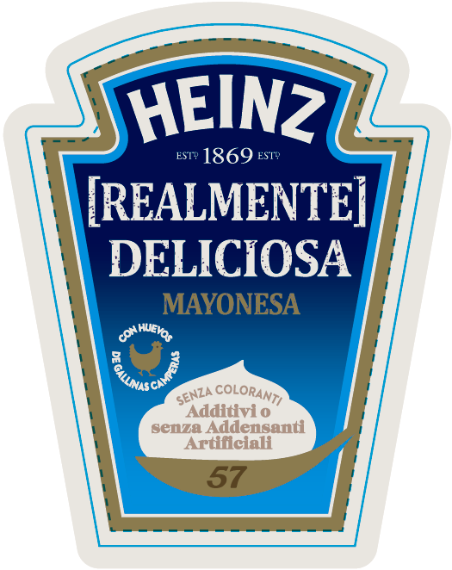 [insert FOP design example] |  |  |  |  |  |  |  | Variant Name, Marketing stories, Claims, Recepies, Others… |  |  |  |  |  |  |  | 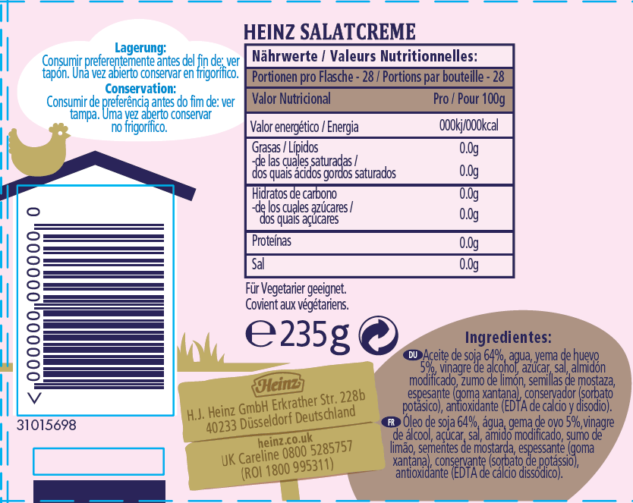 [insert BOP design example] |  |  |  |  |  | Variant Name, Marketing stories, Claims, Recepies, Others… |  |  |  |  [insert NECK design example] | Variant Name, Marketing stories, Claims, Recepies, Others…
 |  |  |  |  |  |  |  | Brand | HEINZ ESTD 1869 ESTD |  |  |  |  |  |  |  |  |  |  |  |  | Variant Name |  |  |  |  | Variant Name
 |  |  |  |  |  |  |  | Sub Brand | [REALMENTE] DELICIOSA |  |  |  |  |  |  |  |  |  |  |  |  | Marketing Story |  |  |  |  | Marketing Story | Nuestra mayonesa es indiscutiblemente deliciosa, suave y cremosa con ingredientes de la mejor calidad ...y hecha únicamente con huevos camperos. … [PT text] ...
 |  |  |  |  |  |  |  | Variant | MAYONESA |  |  |  |  |  |  |  |  |  |  |  |  | Claims |  |  |  |  | Claims
 |  |  |  |  |  |  |  | Claims | hecha con huevos de gallinas camperas sin colorantes sin espesantes artificiales sin aromas
 |  |  |  |  |  |  |  | Others | '57' |  |  |  |  |  |  |  |  |  |  |  |  | Others |  |  |  |  | Others

Additional Consumer Services Information (C1+C2)
www.heinz.eu

FOOD LAW

e-sign required yes/no | minimum e-sign size | Weight |  |  | Volume |  | Weight / Volume font size |  | Minimum Font Size Artwork |  | Vegetarian Logo yes/no |  | Green dot yes/no | Kosher Logo yes/no |  | Halal logo yes/no |  |  |  |  |  | Health Mark - Factory Specific | GDA Icons Requited
yes | 4 mm | 460 g |  |  | 530 ml |  | 4mm |  | 1,2mm |  | no |  | yes | no |  | no |  |  |  |  |  | no | no

Number of countries of sales |  | 2 |  |  |  | Country (C1) |  | Spain |  |  |  | Country (C2) |  | Portugal
 |  |  |  |  |  | Language(s) |  | Spanish |  |  |  | Language(s) |  | Portuguese

Number of languages on pack |  | 2 |  |  |  | 1st language on pack (T1) |  | Spanish |  |  |  | 2nd language on pack (T2) |  | Portuguese

(Legal) Product Name (L1) |  |  |  |  |  |  |  | (Legal) Product Name (L2)
[language oval: (ES)] Mayonesa |  |  |  |  |  |  |  | [language oval: (PT)] Maionese

List of Ingredients (L1) |  |  |  |  |  |  |  | List of Ingredients (L2)
Ingredientes: |  |  |  |  |  |  |  | Ingredientes:
Aceite de soja 68%, agua, yema de huevo pasteurizada* 5%, vinagre de alcohol, azúcar, almidón, sal, semillas de mostaza, especias, antioxidante (EDTA de calcio y disodio). *De huevos de gallinas camperas. |  |  |  |  |  |  |  | Óleo de soja 68%, água, gema de ovo pasteurizado* 5%, vinagre de álcool, açúcar, amido, sal, sementes de mostarda, especiarias, antioxidante (EDTA de cálcio dissódico). *Ovos de galinhas criadas ao ar livre.

Preparation Instructions (L1) |  |  |  |  |  |  |  | Preparation Instructions (L2)

Storage instructions: |  |  |  |  |  |  |  | Durability Reference: |  |  |  | (Select one) |  |  |  | Durability Date Code Position: |  | (Select one)

Storage Instructions (L1) |  |  |  |  |  |  |  | Storage Instructions (L2)
Una vez abierto conservar en el frigorífico. |  |  |  |  |  |  |  | Uma vez aberto conservar no frigorífico.
Durability Reference (L1) |  |  |  |  |  |  |  | Durability Reference (L2)
Consumir preferentemente antes del: ver tapón. |  |  |  |  |  |  |  | Consumir de preferência antes de: ver tampa.

Legal Address Food Business Operator (C1 + C2 + C3)
[country oval: (ES)(PT)] H.J. Heinz Foods Spain S.L. Carretera Rincón de Soto-Corella km 2,8 26540 Alfaro (La Rioja), España/Espanha.

Nutritional information
Valor nutricional |  | Per 100 g

Valor energético / Energia |  | 2650 | kJ
 |  | 644 | kcal
Grasas / Lípidos |  | 70 | g
de las cuales saturadas / dos quais saturados |  | 5.3 | g
Hidratos de carbono |  | 3.0 | g
de los cuales azúcares / dos quais açúcares |  | 1.5 | g
Proteínas |  | 0.8 | g
Sal |  | 1.0 | g

